Instructions
 |  |  | ZTRHP-QR
QUARTERLY REPORTING: Registry

INSTRUCTIONS:

GENERAL | • | Pages 2 & 3 of this form must be completed and submitted each quarter year in order to maintain compliance with ZTRHP permit:
 |  | Quarter 1: Due May 1 Quarter 2: Due Aug. 1 Quarter 3: Due Nov. 1 Quarter 4: Due Feb. 1
 |  | (Jan, Feb, Mar) (Apr, May, June) (July, Aug, Sep) (Oct, Nov, Dec)
 | • | Go to cityofmadison.com/trhreporting to download & use either the Excel or PDF file template named ZTRHP-QR to complete this form.
 | • | Excel template: use tabs at bottom to complete both REGISTRY and ADVERTISING sections of the workbook.
ADVERTISING | • | Include the unique listing number or name of property as shown in website address on hosting platforms.
 |  | Below are examples of where to find listing numbers on some of the more common website advertising platforms:
 |  | 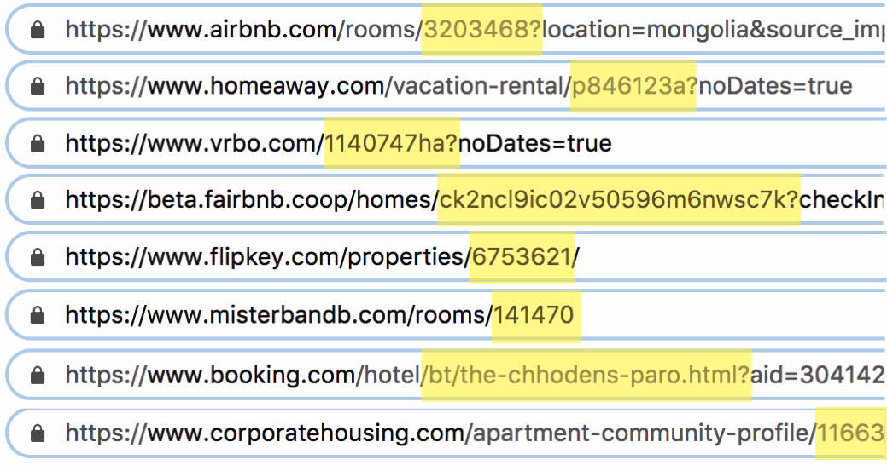
REGISTRY | • | List all reservations in chronological order, do not submit form before quarter ends, and if a reservation spans multiple quarters, only enter it once -- on the arrival date. Complete all columns for each separate reservation party that was hosted.
 | • | Room numbers must match your approved floor plans on form ZTRHP-F, submitted with your ZTRHP permit application.
 | • | Listing Numbers used in the REGISTRY tab must match the corresponding Listing Numbers used in the ADVERTISING tab.
 | • | HOST ONSITE indicates host was present in the TRH through the night.

 | Submit this completed report by uploading it to your ZTRHP permit in the online portal:
 | https://elam.cityofmadison.com/CitizenAccess/COMLicensesPermits.aspx

 |  | City of Madison Building Inspection Division: Zoning
 |  | Madison Municipal Building
 |  | 215 Martin Luther King, Jr. Blvd., Suite 017
 |  | zoningTRH@cityofmadison.com
 |  | (608) 266-4551

